Sheet1
Dilithium test

Setup:
Controller | STM32WB55RGV6
Core | ARM Cortex-M4
Used Core Frequency | 64 MHz
RAM | 192KB
Hardware support | True random number generator (used), AES256 (not used)
Signature Test
Conditions: |  |  |  | Comments:
DILITHIUM_MODE | 2 |  |  | Main problem of my implementation is that it needs to regenerate entire matrix A at each iteration
AES / SHAKE | AES
Randomized Signature | NO
Preinstalled keys | YES
Interrupts | Enabled
Tests results:
 |  |  | notice: the same message 59 byte len was signed and verified 5 times for each key
 | Key Generation |  | Signature |  | Verification
 | Reference | New Implementation | Reference | New Implementation | Reference | New Implementation
Key 1
Min time [cpu cycles] | 25045352 | 31814652 | 109450004 | 472131617 | 23820375 | 26454088
Max time [cpu cycles] |  |  | 109463520 | 472186211 | 23824253 | 26468003
Sign. Iterations | - |  | 10 |  | -
Key 2
Min time [cpu cycles] | 25128165 | 31980263 | 84836013 | 334440033 | 23820375 | 26385883
Max time [cpu cycles] |  |  | 84840621 | 334446877 | 23824234 | 26387773
Sign. Iterations | - |  | 7 |  | -
Key 3
Min time [cpu cycles] | 25216233 | 31976266 | 64780038 | 234201620 | 23901621 | 26545625
Max time [cpu cycles] |  |  | 64795852 | 234245619 | 23907639 | 26550096
Sign. Iterations | - |  | 5 |  | -
Key 4
Min time [cpu cycles] | 25467971 | 317222002 | 40365159 | 97605011 | 24071757 | 26711406
Max time [cpu cycles] |  |  | 40372293 | 97620562 | 24076804 | 26717880
Sign. Iterations | - |  | 2 |  | -
Key 5
Min time [cpu cycles] | 25301474 | 31729596 | 49613905 | 146181969 | 23900210 | 26471435
Max time [cpu cycles] |  |  | 49621837 | 146408219 | 23908532 | 26548465
Sign. Iterations | - |  | 3 |  | -

Memory Consumption [bytes] | 41752 | 17176 | 55400 | 28832 | 39680 | 15144
Public key size [bytes] | 1312 | 1312
Secret key size [bytes] | 2544 | 1808

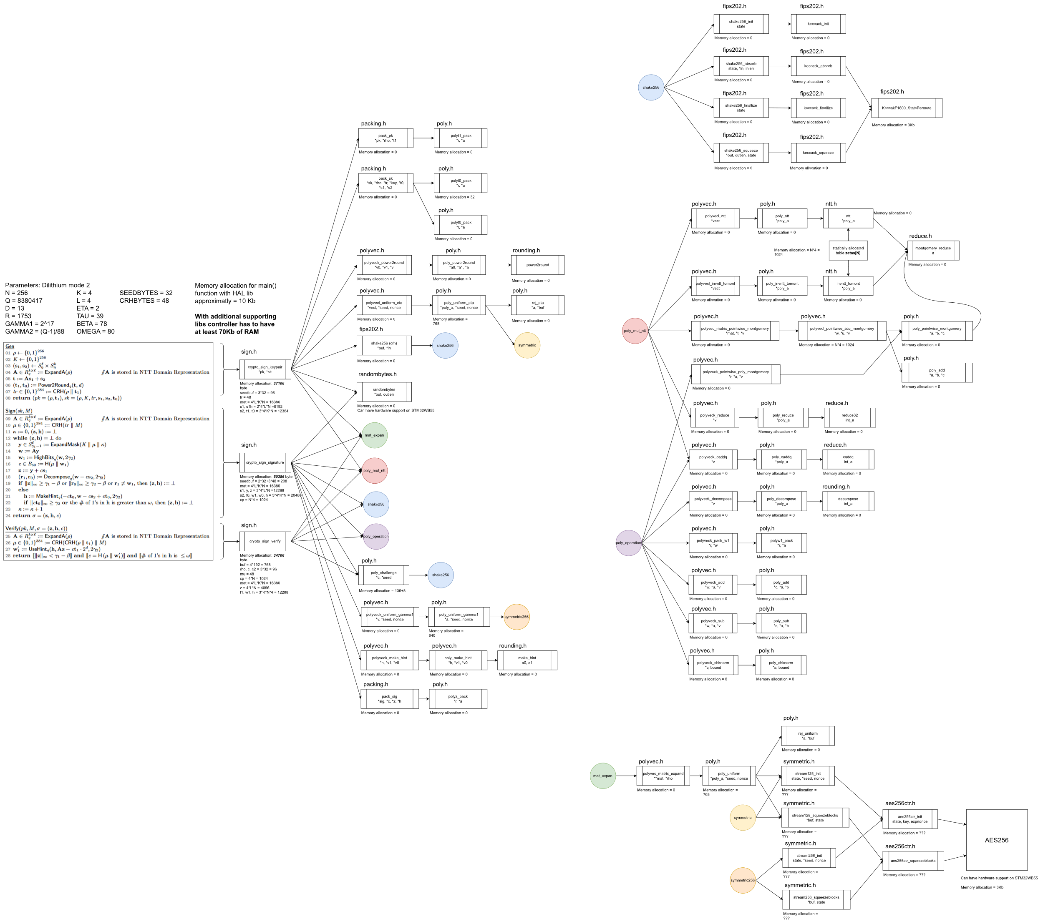

Reference inplementation code map

